Sheet1
Test cases | Evidence | Explanation
TC1 | 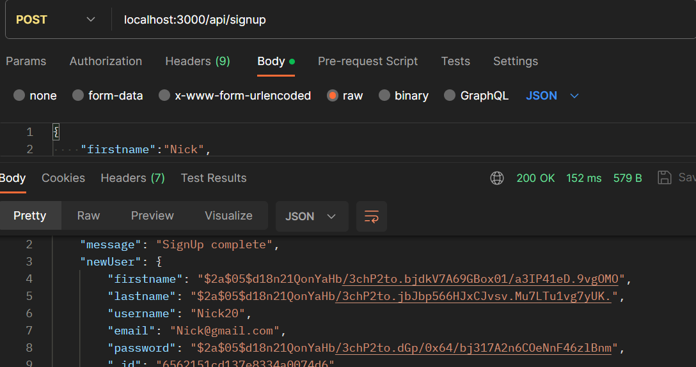 | This is an example of a user signup for the user nick.
TC2 | 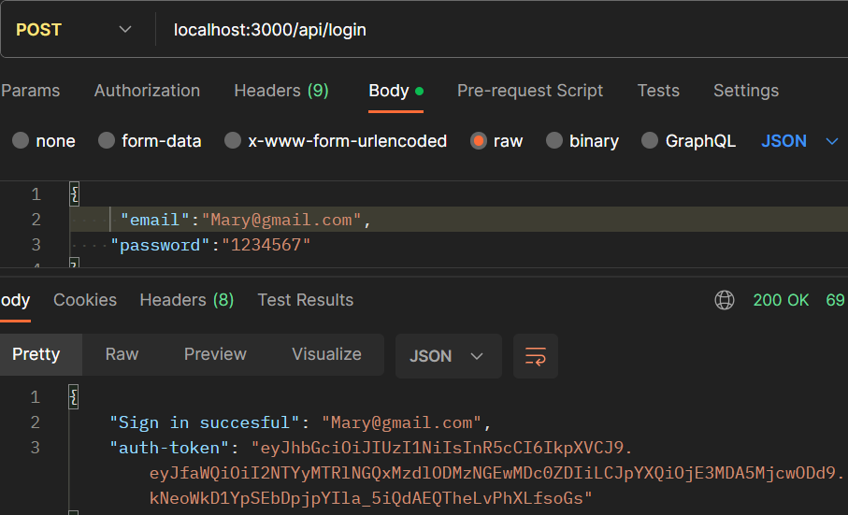 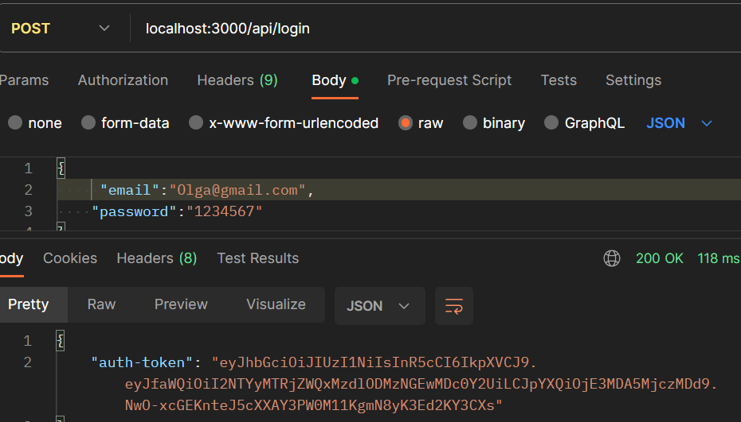 | Example of login for a different user which shows confirmation of log in generation of auth-token proving method for Oauth-v2 works
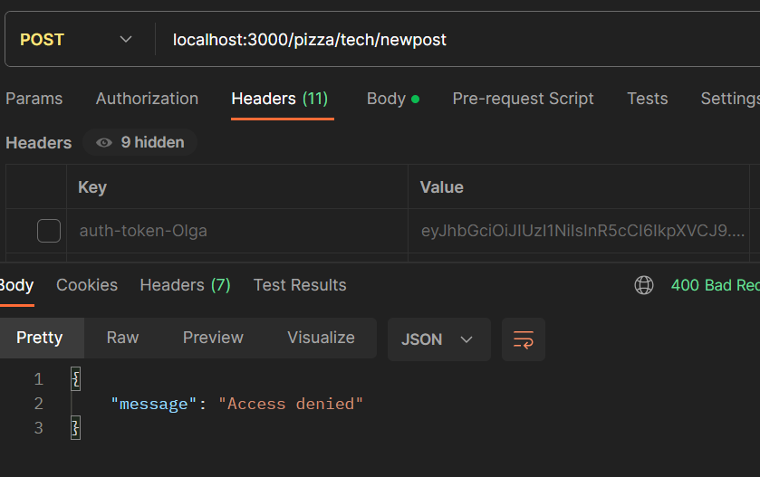 TC3 |  | Olgas access token was disabled meaning she wont be allowed to make a newpost or any actions
TC4 | 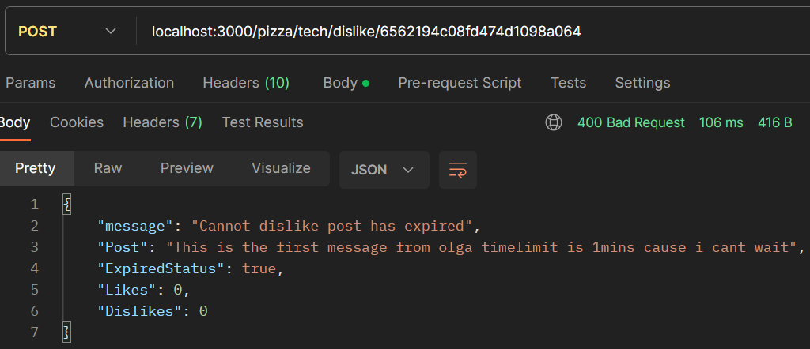 | Olga wanted to like the post but as it has expired its not possible
TC5 | 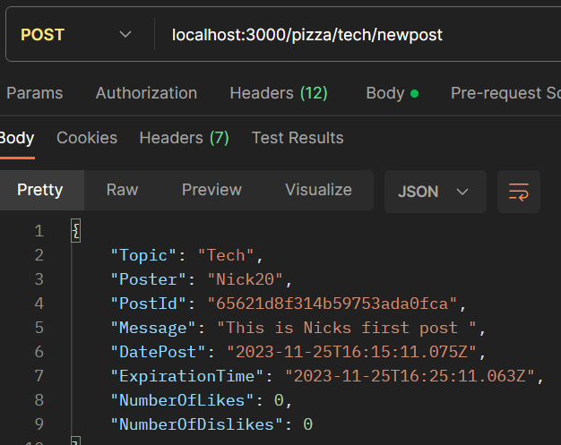 | Nick makes a post and it shows the date posted and expiration date
TC6
TC7
TC8
TC9
TC10
TC11
TC12
TC13
TC14
TC15
TC16
TC17
TC18
TC19
TC20

